Sheet2
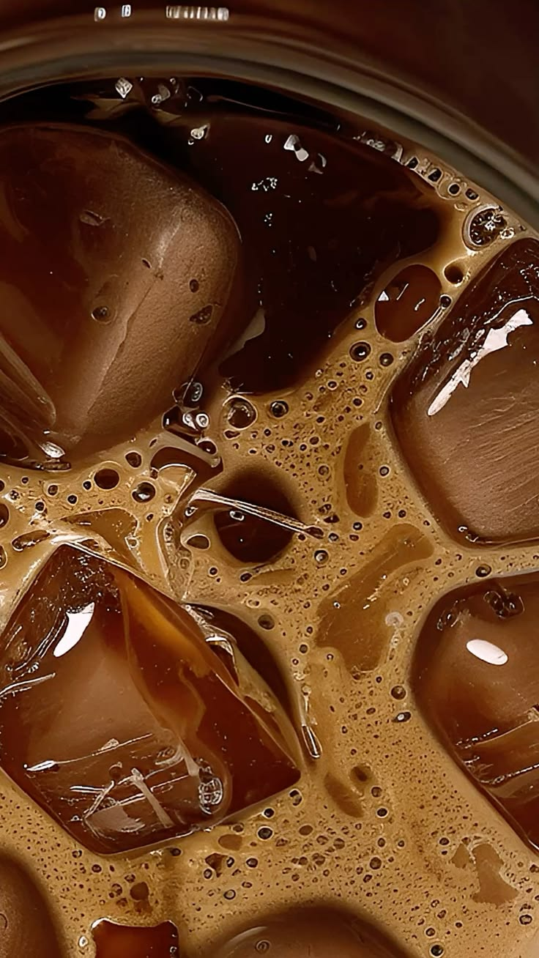
COFFEE SALES ANALYSIS DASHBOARD
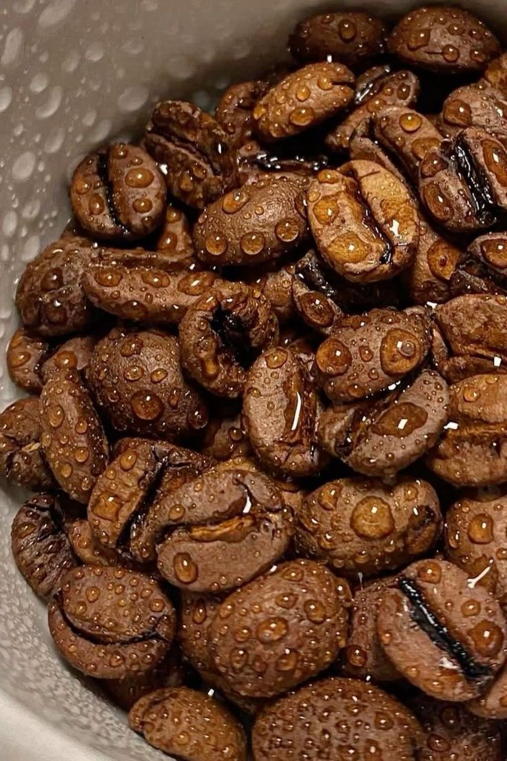
TOTAL REVENUE
₹115432

SALES BY YEAR
 | Total
2024 | 85830.8
2025 | 29600.78
SALES OF DIFFERENT COFFEES
 | Total
Americano | 578
Americano with Milk | 824
Cappuccino | 501
Cocoa | 243
Cortado | 292
Espresso | 134
Hot Chocolate | 282
Latte | 782

HIGHEST SALE
₹40

LOWEST SALE
₹18.12
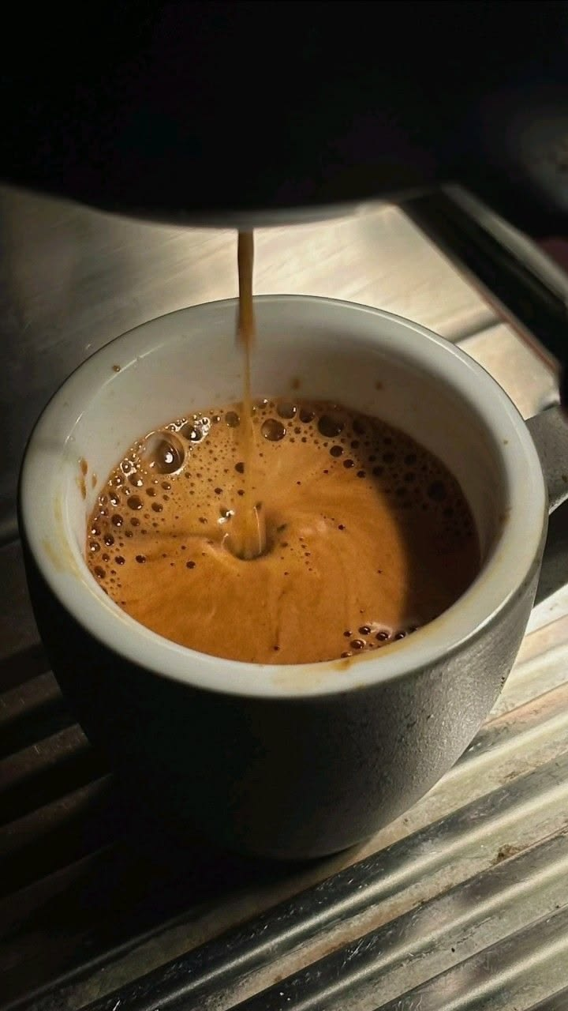
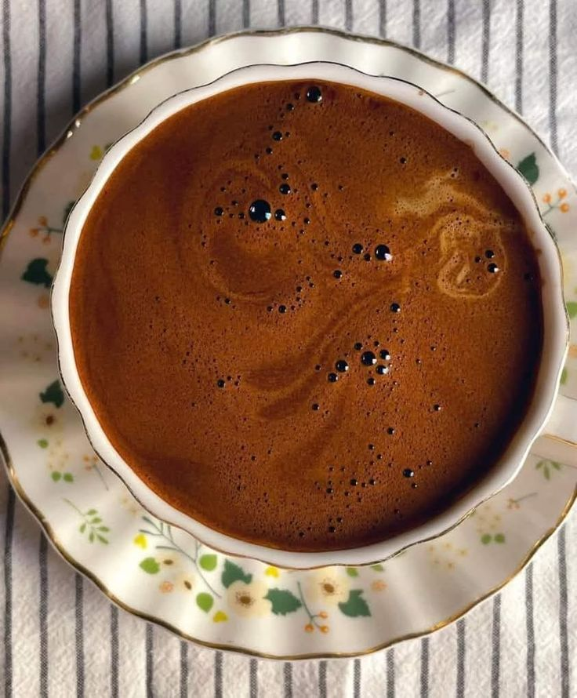

TYPE OF CASH USED
 | Total
card | 3547
cash | 89
SALES BY PRICE
 | Total
Americano | 15062.26
Americano with Milk | 25269.12
Cappuccino | 18034.14
Cocoa | 8678.16
Cortado | 7534.86
Espresso | 2814.28
Hot Chocolate | 10172.46
Latte | 27866.3

AVERAGE SALE
₹31.7469

